excli2020-2647
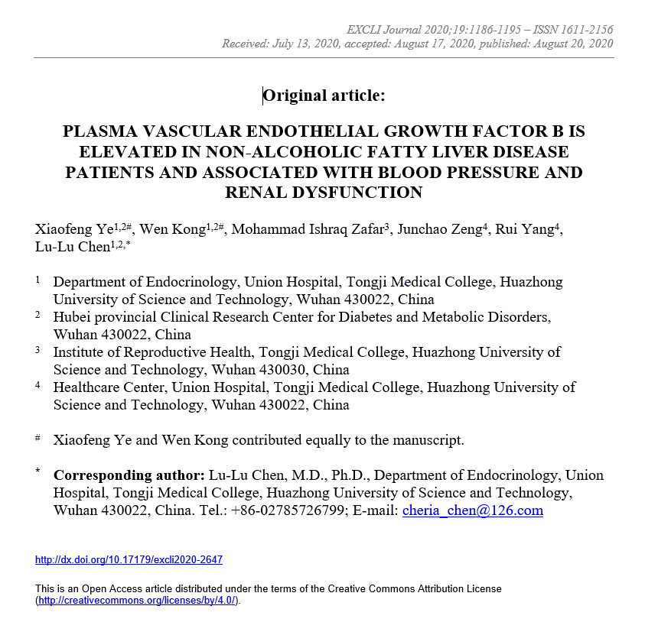

96T ELISA Plate1
Raw data 2: VEGFB ELISA Plate 1 (these data refer to Figure 1 in the main document)

standard number | 1 |  | 2 |  | 3 |  | 4 |  | 5 |  | 6 |  | 7 |  | 8 |  | mean 8
OD value | 2.932 | 2.884 | 1.864 | 1.916 | 1.212 | 1.112 | 0.674 | 0.684 | 0.419 | 0.405 | 0.297 | 0.294 | 0.231 | 0.218 | 0.132 | 0.163 | 0.1475
OD value-negative OD value | 2.7845 | 2.7365 | 1.7165 | 1.7685 | 1.0645 | 0.9645 | 0.5265 | 0.5365 | 0.2715 | 0.2575 | 0.1495 | 0.1465 | 0.0835 | 0.0705
standard concentration（pg/ml） | 1000 | 1000 | 500 | 500 | 250 | 250 | 125 | 125 | 62.5 | 62.5 | 31.2 | 31.2 | 15.6 | 15.6 | 0 | 0
2.7845 | 1000
2.7365 | 1000
1.7165 | 500
1.7685 | 500
1.0645 | 250
0.9645 | 250
0.5265 | 125
0.5365 | 125
0.2715 | 62.5
0.2575 | 62.5
0.1495 | 31.2
0.1465 | 31.2
0.0835 | 15.6
0.0705 | 15.6
sample number | OD value | OD value-negative OD value | sample concentration（pg/ml）
1 | 0.39 | 0.2425 | 53.146670375
2 | 0.357 | 0.2095 | 46.688462135
4 | 0.291 | 0.1435 | 34.230340415
5 | 0.411 | 0.2635 | 57.335978015
6 | 0.359 | 0.2115 | 47.075520015
7 | 0.233 | 0.0855 | 23.786740935
8 | 0.447 | 0.2995 | 64.661575535
9 | 0.26 | 0.1125 | 28.589709375
10 | 0.301 | 0.1535 | 36.078656215
11 | 0.241 | 0.0935 | 25.199181415
12 | 0.471 | 0.3235 | 69.646308815
13 | 0.258 | 0.1105 | 28.230426935
14 | 0.396 | 0.2485 | 54.337302815
15 | 0.288 | 0.1405 | 33.678581135
16 | 0.285 | 0.1375 | 33.128084375
17 | 0.215 | 0.0675 | 20.641575375
18 | 0.215 | 0.0675 | 20.641575375
19 | 0.232 | 0.0845 | 23.610817135
20 | 0.32 | 0.1725 | 39.629103375
21 | 0.264 | 0.1165 | 29.309957615
22 | 0.277 | 0.1295 | 31.666265335
23 | 0.282 | 0.1345 | 32.578850135
24 | 0.258 | 0.1105 | 28.230426935
25 | 0.288 | 0.1405 | 33.678581135
26 | 0.382 | 0.2345 | 51.567016135
27 | 0.237 | 0.0895 | 24.491838935
28 | 0.249 | 0.1015 | 26.620599815
29 | 0.704 | 0.5565 | 122.23981441
30 | 0.192 | 0.0445 | 16.688894735
31 | 0.326 | 0.1785 | 40.760818215
32 | 0.201 | 0.0535 | 18.226758215
33 | 0.475 | 0.3275 | 70.484953375
34 | 0.655 | 0.5075 | 110.54699538
35 | 0.42 | 0.2725 | 59.150333375
36 | 0.246 | 0.0985 | 26.086515815
37 | 0.264 | 0.1165 | 29.309957615
38 | 0.304 | 0.1565 | 36.635886415
39 | 0.26 | 0.1125 | 28.589709375
40 | 0.262 | 0.1145 | 28.949552935
41 | 0.25 | 0.1025 | 26.798908375
43 | 0.21 | 0.0625 | 19.775984375
44 | 0.254 | 0.1065 | 27.513545415
45 | 0.218 | 0.0705 | 21.162613335
47 | 0.284 | 0.1365 | 32.944866015
49 | 0.255 | 0.1075 | 27.692555375
50 | 0.285 | 0.1375 | 33.128084375
51 | 0.212 | 0.0645 | 20.121799935
52 | 0.224 | 0.0765 | 22.208476815
53 | 0.262 | 0.1145 | 28.949552935
54 | 0.182 | 0.0345 | 14.993484135
55 | 0.282 | 0.1345 | 32.578850135
56 | 0.255 | 0.1075 | 27.692555375
57 | 0.296 | 0.1485 | 35.152744815
58 | 0.322 | 0.1745 | 40.005780535
59 | 0.261 | 0.1135 | 28.769561015
60 | 0.283 | 0.1355 | 32.761787935
61 | 0.27 | 0.1225 | 30.394538375
62 | 0.208 | 0.0605 | 19.430729935
63 | 0.307 | 0.1595 | 37.194379135
64 | 0.255 | 0.1075 | 27.692555375
65 | 0.181 | 0.0335 | 14.824714615
66 | 0.242 | 0.0945 | 25.376367735
67 | 0.186 | 0.0385 | 15.669965015
69 | 0.209 | 0.0615 | 19.603287015
70 | 0.324 | 0.1765 | 40.383018815
71 | 0.252 | 0.1045 | 27.155946335
72 | 0.243 | 0.0955 | 25.553694335
73 | 0.344 | 0.1965 | 44.186263215
74 | 0.31 | 0.1625 | 37.754134375
75 | 0.248 | 0.1005 | 26.442431535
77 | 0.303 | 0.1555 | 36.450002735
78 | 0.231 | 0.0835 | 23.435033615
79 | 0.181 | 0.0335 | 14.824714615
80 | 0.548 | 0.4005 | 86.184473535
82 | 0.26 | 0.1125 | 28.589709375
83 | 0.278 | 0.1305 | 31.848501735
84 | 0.324 | 0.1765 | 40.383018815
85 | 0.292 | 0.1445 | 34.414540735
86 | 0.212 | 0.0645 | 20.121799935
87 | 0.257 | 0.1095 | 28.050996135

96T ELISA Plate2
Raw data 2: VEGFB ELISA Plate 2

standard number | 1 |  | 2 |  | 3 |  | 4 |  | 5 |  | 6 |  | 7 |  | 8 |  | mean 8
OD value | 2.88 | 2.854 | 1.688 | 1.975 | 1.08 | 1.074 | 0.616 | 0.675 | 0.365 | 0.387 | 0.264 | 0.176 | 0.229 | 0.193 | 0.125 | 0.139 | 0.132
OD value-negative OD value | 2.748 | 2.722 | 1.556 | 1.843 | 0.948 | 0.942 | 0.484 | 0.543 | 0.233 | 0.255 | 0.132 | 0.044 | 0.097 | 0.061
standard concentration（pg/ml） | 1000 | 1000 | 500 | 500 | 250 | 250 | 125 | 125 | 62.5 | 62.5 | 31.2 | 31.2 | 15.6 | 15.6 | 0 | 0

2.748 | 1000
2.722 | 1000
1.556 | 500
1.843 | 500
0.948 | 250
0.942 | 250
0.484 | 125
0.543 | 125
0.233 | 62.5
0.255 | 62.5
0.132 | 31.2
0.044 | 31.2
0.097 | 15.6
0.061 | 15.6
sample number | OD value | OD value-negative OD value | sample concentration（pg/ml）
88 | 0.252 | 0.12 | 34.45928
89 | 0.25 | 0.118 | 34.0597588
90 | 0.281 | 0.149 | 40.3096037
91 | 0.244 | 0.112 | 32.8642528
92 | 0.311 | 0.179 | 46.4744117
93 | 0.355 | 0.223 | 55.7235373
94 | 0.29 | 0.158 | 42.1470068
95 | 0.299 | 0.167 | 43.9947293
96 | 0.196 | 0.064 | 23.4653152
97 | 0.306 | 0.174 | 45.4389812
98 | 0.285 | 0.153 | 41.1249533
99 | 0.291 | 0.159 | 42.3517997
100 | 0.276 | 0.144 | 39.2932832
101 | 0.218 | 0.086 | 27.7367252
102 | 0.288 | 0.156 | 41.7378032
103 | 0.365 | 0.233 | 57.8600093
104 | 0.178 | 0.046 | 20.0163892
105 | 0.331 | 0.199 | 50.6479837
106 | 0.272 | 0.14 | 38.48252
107 | 0.268 | 0.136 | 37.6737952
108 | 0.414 | 0.282 | 68.5128788
109 | 0.346 | 0.214 | 53.8116052
110 | 0.225 | 0.093 | 29.1087413
111 | 0.287 | 0.155 | 41.5333925
112 | 0.235 | 0.103 | 31.0795933
113 | 0.242 | 0.11 | 32.46677
114 | 0.278 | 0.146 | 39.6994292
115 | 0.427 | 0.295 | 71.3904925
116 | 0.261 | 0.129 | 36.2634317
117 | 0.245 | 0.113 | 33.0631853
118 | 0.295 | 0.163 | 43.1722453
119 | 0.329 | 0.197 | 50.2283333
120 | 0.288 | 0.156 | 41.7378032
121 | 0.339 | 0.207 | 52.3316813
122 | 0.263 | 0.131 | 36.6657557
123 | 0.25 | 0.118 | 34.0597588
124 | 0.303 | 0.171 | 44.8192517
125 | 0.323 | 0.191 | 48.9724397
127 | 0.257 | 0.125 | 35.4603125
128 | 0.34 | 0.208 | 52.5427168
129 | 0.247 | 0.115 | 33.4614325
130 | 0.323 | 0.191 | 48.9724397
131 | 0.284 | 0.152 | 40.9209248
132 | 0.216 | 0.084 | 27.3458672
133 | 0.24 | 0.108 | 32.0697968
134 | 0.401 | 0.269 | 65.6567957
135 | 0.387 | 0.255 | 62.6050925
137 | 0.36 | 0.228 | 56.7901808
138 | 0.285 | 0.153 | 41.1249533
139 | 0.316 | 0.184 | 47.5130272
140 | 0.216 | 0.084 | 27.3458672
141 | 0.23 | 0.098 | 30.0925748
142 | 0.233 | 0.101 | 30.6844037
143 | 0.327 | 0.195 | 49.8091925
144 | 0.408 | 0.276 | 67.1920112
145 | 0.414 | 0.282 | 68.5128788
146 | 0.24 | 0.108 | 32.0697968
147 | 0.193 | 0.061 | 22.8876277
148 | 0.397 | 0.265 | 64.7823325
149 | 0.292 | 0.16 | 42.55672
150 | 0.396 | 0.264 | 64.5640352
151 | 0.297 | 0.165 | 43.5832325
152 | 0.253 | 0.121 | 34.6592317
154 | 0.306 | 0.174 | 45.4389812
155 | 0.373 | 0.241 | 59.5783597
157 | 0.231 | 0.099 | 30.2897237
158 | 0.201 | 0.069 | 24.4306757
159 | 0.218 | 0.086 | 27.7367252
160 | 0.189 | 0.057 | 22.1191613
161 | 0.267 | 0.135 | 37.4719325
162 | 0.26 | 0.128 | 36.0624608
163 | 0.379 | 0.247 | 60.8724733
164 | 0.221 | 0.089 | 28.3239677
166 | 0.232 | 0.1 | 30.487
167 | 0.18 | 0.048 | 20.3975648
168 | 0.308 | 0.176 | 45.8527712
169 | 0.303 | 0.171 | 44.8192517
170 | 0.254 | 0.122 | 34.8593108
171 | 0.178 | 0.046 | 20.0163892
172 | 0.255 | 0.123 | 35.0595173

96T ELISA Plate3
Raw data 2: VEGFB ELISA Plate 3

standard number | 1 | 2 | 3 |  | 4 |  | 5 |  | 6 |  | 7 |  | 8
OD value | 2.527 | 1.46 | 1.026 | 1.013 | 0.515 | 0.504 | 0.331 | 0.303 | 0.233 | 0.226 | 0.165 | 0.142 | 0.111 | 0.094
OD value-negative OD value | 2.4245 | 1.3575 | 0.9235 | 0.9105 | 0.4125 | 0.4015 | 0.2285 | 0.2005 | 0.1305 | 0.1235 | 0.0625 | 0.0395 | 0.1025
standard concentration（pg/ml） | 1000 | 500 | 250 | 250 | 125 | 125 | 62.5 | 62.5 | 31.2 | 31.2 | 15.6 | 15.6 | 0 | 0

2.4245 | 1000
1.3575 | 500
0.9235 | 250
0.9105 | 250
0.4125 | 125
0.4015 | 125
0.2285 | 62.5
0.2005 | 62.5
0.1305 | 31.2
0.1235 | 31.2
0.0625 | 15.6
0.0395 | 15.6
sample number | OD value | OD value-negative OD value | sample concentration（pg/ml）
173 | 0.148 | 0.0455 | 15.58859379
174 | 0.221 | 0.1185 | 33.43673171
175 | 0.097 | -0.0055 | 3.58959939
176 | 0.138 | 0.0355 | 13.20536219
177 | 0.235 | 0.1325 | 36.95023275
178 | 0.257 | 0.1545 | 42.53034179
179 | 0.286 | 0.1835 | 49.99591851
180 | 0.168 | 0.0655 | 20.39967299
181 | 0.21 | 0.1075 | 30.69657275
182 | 0.223 | 0.1205 | 33.93687579
183 | 0.265 | 0.1625 | 44.57731875
184 | 0.332 | 0.2295 | 62.09440979
185 | 0.277 | 0.1745 | 47.66563059
186 | 0.273 | 0.1705 | 46.63381379
187 | 0.214 | 0.1115 | 31.69091211
188 | 0.258 | 0.1555 | 42.78569339
189 | 0.239 | 0.1365 | 37.95944411
190 | 0.19 | 0.0875 | 25.76056875
191 | 0.224 | 0.1215 | 34.18717091
192 | 0.212 | 0.1095 | 31.19344499
193 | 0.444 | 0.3415 | 92.86748051
194 | 0.291 | 0.1885 | 51.29572811
195 | 0.268 | 0.1655 | 45.34738899
196 | 0.172 | 0.0695 | 21.36902739
197 | 0.162 | 0.0595 | 18.95010299
3 | 0.263 | 0.1605 | 44.06468219
42 | 0.183 | 0.0805 | 24.04702139
46 | 0.188 | 0.0855 | 25.27024019
48 | 0.223 | 0.1205 | 33.93687579
81 | 0.228 | 0.1255 | 35.18983859
136 | 0.296 | 0.1935 | 52.59925571
153 | 0.216 | 0.1135 | 32.18897411
156 | 0.194 | 0.0915 | 26.74301051
165 | 0.201 | 0.0985 | 28.46800931

