Cover page
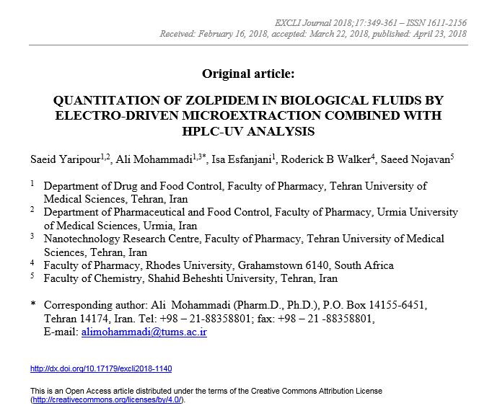

Figure 2
area | 1-octanol | 1-heptanol | 2-ethylhexanol
1 | 28891 | 71145 | 375693
2 | 26606 | 83119 | 394222
3 | 23820 | 90066 | 386835
M | 26439 | 81443.333333 | 385583.33333
SD | 2073.5922132 | 7814.8130425 | 7616.0340656
RSD% | 7.8429298128 | 9.5953993073 | 1.9751979422

zolpidem 1 ppm
pH d = 4
pH a = 3
Voltage = 50 v
time = 10 min

Figure 3A
area | 2 | 3 | 4 | 5 | 6 | 7 | 8 | 9 | 10 | 11
1 | 134155 | 231179 | 480059 | 617032 | 839016 | 689775 | 613845 | 657915 | 403983 | 313123
2 | 131482 | 221918 | 460203 | 620897 | 921325 | 720857 | 702092 | 644008 | 424714 | 323163
3 | 118212 | 209154 | 479553 | 588611 | 891289 | 706014 | 654292 | 648135 | 465065 | 314224
M | 127949.66667 | 220750.33333 | 473271.66667 | 608846.66667 | 883876.66667 | 705548.66667 | 656743 | 650019.33333 | 431254 | 316836.66667
SD | 6971.5061182 | 9029.4975989 | 9243.2514241 | 14395.513429 | 34008.821251 | 12693.438786 | 36068.349958 | 5831.7633887 | 25361.800422 | 4495.9181734
RSD% | 5.4486317157 | 4.0903664618 | 1.9530540438 | 2.3643906122 | 3.8476885445 | 1.7990876301 | 5.4920037149 | 0.89716768251 | 5.8809426515 | 1.4190018538

 |  | zolpidem 1 ppm
 |  | SLM = 2-ethylhexanol
 |  | pH a = 3
 |  | Voltage = 50 v
 |  | time = 10 min

Figure 3B
AREA | 2 | 3 | 4 | 5 | 6
1 | 1177992 | 799428 | 320585 | 266009 | 256580
2 | 1137627 | 923776 | 369908 | 295979 | 249820
3 | 1179293 | 849852 | 371996 | 289940 | 254923
M | 1164970.6667 | 857685.33333 | 354163 | 283976 | 253774.33333
SD | 19342.185853 | 51066.14736 | 23758.528279 | 12941.591788 | 2876.8010397
RSD% | 1.6603152685 | 5.9539490039 | 6.7083597889 | 4.5572836394 | 1.1336059884

zolpidem 1 ppm
SLM = 2-ethylhexanol
pH d = 6.2
Voltage = 50 v
time = 10 min

Figure 4A
AREA | 25 | 50 | 100 | 150 | 200
1 | 768348 | 1177992 | 2022157 | 2251707 | 2206590
2 | 784582 | 1137627 | 1919678 | 2115175 | 1986216
3 | 806482 | 1179293 | 1754494 | 2104413 | 2122094
M | 786470.66667 | 1164970.6667 | 1898776.3333 | 2157098.3333 | 2104966.6667
SD | 19137.026554 | 23689.242924 | 135050.10235 | 82110.017765 | 111180.86224
RSD% | 2.4332791247 | 2.03346261 | 7.1124808108 | 3.8065032315 | 5.281834815

zolpidem 1 ppm
SLM = 2-ethylhexanol
pH d = 6.2
pH a = 2
time = 10 min

Figure 4B
AREA/Time | 5 | 10 | 15 | 20
1 | 992843 | 2251707 | 2527821 | 2531557
2 | 1138878 | 2115175 | 2517236 | 2295513
3 | 1126539 | 2104413 | 2635582 | 2296404
M | 1086086.6667 | 2157098.3333 | 2560213 | 2374491.3333
SD | 80986.719654 | 82110.017765 | 65485.68681 | 136023.58694
RSD% | 7.4567455931 | 3.8065032315 | 2.5578218223 | 5.7285358355

zolpidem 1 ppm
SLM = 2-ethylhexanol
pH d = 6.2
pH a = 2
Voltage = 150 v

Table 1, 2
ng/ml | 10 | 50 | 100 | 500 | 1000 | EF for 100 | extraction recovery for 100
1 | 26986 | 152968 | 307415 | 1362900 | 2851132 | 76.760279286 | 32.897262551
2 | 26343 | 156414 | 298791 | 1362081 | 2671538 | 74.602067119 | 31.972314479
3 | 27158 | 151772 | 289495 | 1354919 | 3091943 | 72.275682575 | 30.975292532
M | 26829 | 153718 | 298567 | 1359966.6667 | 2871537.6667 | 74.54600966 | 31.948289854
SD | 429.58468315 | 2410.1692887 | 8962.099754 | 4390.5460177 | 210944.03151 | 2.2428238329 | 0.96121021411
RSD% | 1.6011952855 | 1.5679161118 | 3.0017047276 | 0.3228421788 | 7.3460304547 | 3.008643713 | 3.008643713

Assay(ng/ml) | 10 | 50 | 100 | 500 | 1000
1 | 10.532457496 | 54.786356611 | 109.03920191 | 479.80111002 | 1002.5747506
2 | 10.306589855 | 55.996838556 | 106.0098356 | 479.51341858 | 939.48847829
3 | 10.592876212 | 54.366235774 | 102.74441478 | 476.99761135 | 1087.1648166
M | 10.477307854 | 55.049810313 | 105.93115077 | 478.77071332 | 1009.7426818
SD | 0.15090090036 | 0.84662403002 | 3.1481311486 | 1.5422741386 | 74.098648135
RSD% | 1.4402640684 | 1.5379236099 | 2.9718653351 | 0.32213209699 | 7.3383694151
RE% | 4.7730785443 | 10.099620627 | 5.9311507658 | -4.2458573369 | 0.97426818416

