Titel page
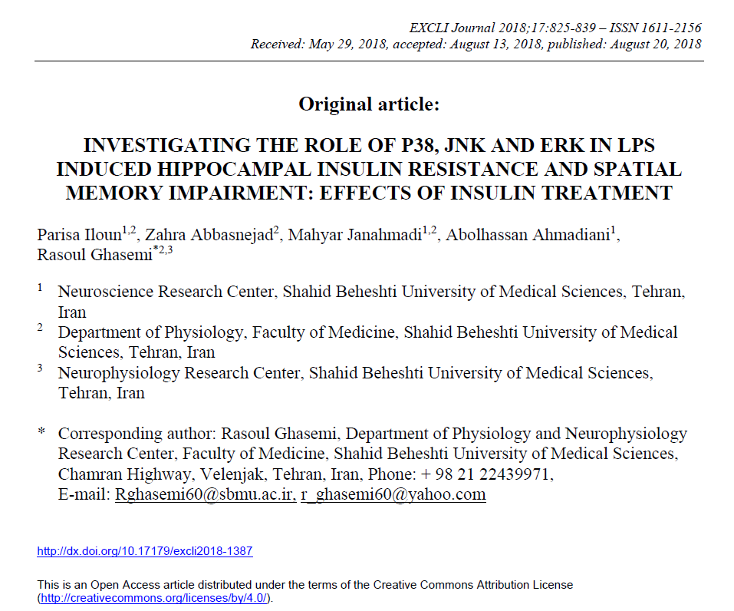

DAY1
MEAN ESCAPE LATENCY TO PLATFORM IN DAY1 (CONTROL GROUP)
NOTE: Each rat had 4 trial in each training day. we averaged 4 trails for statistical analysis
NOTE: Raw data of different days are provided in different sheets in this file.

 | Independent Variable | Independent Variable | Independent Variable | Independent Variable | In zone
 | Independent Variable | Independent Variable | Independent Variable | Independent Variable | Arena / Center-point
 | Day | GROUP STUDY | NUMBER | Test Typye | Cumulative Duration
 |  |  |  |  | s |  | CONT1 | CONT2 | CONT3 | CONT4 | CONT5 | CONT6 | CONT7 | CONT8 | CONT9 | CONT10 | CONT11 | CONT12
Trial 1 | 1 | CONTROL | 1 | Hidden platform | 90.0548 | trial 1 | 90.0548 | 60.993 | 11.1776 | 49.4818 | 25.4249 | 90.0548 | 5.105 | 47.4798 | 22.1217 | 13.8803 | 33.1992 | 86.6849
Trial 2 | 1 | CONTROL | 1 | Hidden platform | 18.4848 | trial 2 | 18.4848 | 5.83905 | 43.8429 | 51.7173 | 32.6319 | 5.97251 | 90.0548 | 56.7889 | 3.4367 | 1.60157 | 4.93817 | 42.7418
Trial 3 | 1 | CONTROL | 1 | Hidden platform | 8.30813 | trial 3 | 8.30813 | 10.6438 | 64.1962 | 10.0432 | 42.3081 | 3.57016 | 5.105 | 90.0548 | 9.04219 | 4.73797 | 13.2797 | 28.261
Trial 4 | 1 | CONTROL | 1 | Hidden platform | 41.9411 | trial 4 | 41.9411 | 10.6104 | 30.4965 | 51.7173 | 42.3081 | 9.20902 | 5.105 | 34.734 | 9.94307 | 26.8596 | 66.9322 | 27.26
Trial 5 | 1 | CONTROL | 2 | Hidden platform | 60.993
Trial 6 | 1 | CONTROL | 2 | Hidden platform | 5.83905 | average | 39.6972075 | 22.0215625 | 37.4283 | 40.7399 | 35.66825 | 27.2016225 | 26.34245 | 57.264375 | 11.135915 | 11.76986 | 29.5873175 | 46.236925
Trial 7 | 1 | CONTROL | 2 | Hidden platform | 10.6438
Trial 8 | 1 | CONTROL | 2 | Hidden platform | 10.6104
Trial 9 | 1 | CONTROL | 3 | Hidden platform | 11.1776 |  | 39.6972075 | 22.0215625 | 37.4283 | 40.7399 | 35.66825 | 27.2016225 | 26.34245 | 57.264375 | 11.135915 | 11.76986 | 29.5873175 | 46.236925
Trial 10 | 1 | CONTROL | 3 | Hidden platform | 43.8429
Trial 11 | 1 | CONTROL | 3 | Hidden platform | 64.1962
Trial 12 | 1 | CONTROL | 3 | Hidden platform | 30.4965
Trial 13 | 1 | CONTROL | 4 | Hidden platform | 49.4818 |  | DAY1
Trial 14 | 1 | CONTROL | 4 | Hidden platform | 51.7173 | CONT1 | 39.6972075
Trial 15 | 1 | CONTROL | 4 | Hidden platform | 10.0432 | CONT2 | 22.0215625
Trial 16 | 1 | CONTROL | 4 | Hidden platform | 51.7173 | CONT3 | 37.4283
Trial 17 | 1 | CONTROL | 5 | Hidden platform | 25.4249 | CONT4 | 40.7399
Trial 18 | 1 | CONTROL | 5 | Hidden platform | 32.6319 | CONT5 | 35.66825
Trial 19 | 1 | CONTROL | 5 | Hidden platform | 42.3081 | CONT6 | 27.2016225
Trial 20 | 1 | CONTROL | 5 | Hidden platform | 42.3081 | CONT7 | 26.34245
Trial 21 | 1 | CONTROL | 6 | Hidden platform | 90.0548 | CONT8 | 57.264375
Trial 22 | 1 | CONTROL | 6 | Hidden platform | 5.97251 | CONT9 | 11.135915
Trial 23 | 1 | CONTROL | 6 | Hidden platform | 3.57016 | CONT10 | 11.76986
Trial 24 | 1 | CONTROL | 6 | Hidden platform | 9.20902 | CONT11 | 29.5873175
Trial 25 | 1 | CONTROL | 7 | Hidden platform | 5.105 | CONT12 | 46.236925
Trial 26 | 1 | CONTROL | 7 | Hidden platform | 90.0548
Trial 27 | 1 | CONTROL | 7 | Hidden platform | 5.105
Trial 28 | 1 | CONTROL | 7 | Hidden platform | 5.105
Trial 29 | 1 | CONTROL | 8 | Hidden platform | 47.4798
Trial 30 | 1 | CONTROL | 8 | Hidden platform | 56.7889
Trial 31 | 1 | CONTROL | 8 | Hidden platform | 90.0548
Trial 32 | 1 | CONTROL | 8 | Hidden platform | 34.734
Trial 33 | 1 | CONTROL | 9 | Hidden platform | 22.1217
Trial 34 | 1 | CONTROL | 9 | Hidden platform | 3.4367
Trial 35 | 1 | CONTROL | 9 | Hidden platform | 9.04219
Trial 36 | 1 | CONTROL | 9 | Hidden platform | 9.94307
Trial 37 | 1 | CONTROL | 10 | Hidden platform | 13.8803
Trial 38 | 1 | CONTROL | 10 | Hidden platform | 1.60157
Trial 39 | 1 | CONTROL | 10 | Hidden platform | 4.73797
Trial 40 | 1 | CONTROL | 10 | Hidden platform | 26.8596
Trial 41 | 1 | CONTROL | 11 | Hidden platform | 33.1992
Trial 42 | 1 | CONTROL | 11 | Hidden platform | 4.93817
Trial 43 | 1 | CONTROL | 11 | Hidden platform | 13.2797
Trial 44 | 1 | CONTROL | 11 | Hidden platform | 66.9322
Trial 45 | 1 | CONTROL | 12 | Hidden platform | 86.6849
Trial 46 | 1 | CONTROL | 12 | Hidden platform | 42.7418
Trial 47 | 1 | CONTROL | 12 | Hidden platform | 28.261
Trial 48 | 1 | CONTROL | 12 | Hidden platform | 27.26

DAY2
MEAN ESCAPE LATENCY TO PLATFORM IN DAY2 (CONTROL GROUP)
NOTE: Each rat had 4 trial in each training day. we averaged 4 trails for statistical analysis

 | Independent Variable | Independent Variable | Independent Variable | Independent Variable | In zone
 | Independent Variable | Independent Variable | Independent Variable | Independent Variable | Arena / Center-point
 | Day | GROUP STUDY | NUMBER | Test Typye | Cumulative Duration
 |  |  |  |  | s |  | CONT1 | CONT2 | CONT3 | CONT4 | CONT5 | CONT6 | CONT7 | CONT8 | CONT9 | CONT10 | CONT11 | CONT12
Trial 1 | 2 | CONTROL | 1 | Hidden platform | 69.9018 | trial 1 | 69.9018 | 60.5259 | 88.3865 | 7.90774 | 25.5584 | 25.4249 | 24.6908 | 17.684 | 31.0637 | 3.83709 | 18.4514 | 33.733
Trial 2 | 2 | CONTROL | 1 | Hidden platform | 14.948 | trial 2 | 14.948 | 5.87242 | 21.5211 | 17.0834 | 10.577 | 8.00784 | 27.9607 | 45.311 | 6.07261 | 11.2777 | 4.67124 | 15.4818
Trial 3 | 2 | CONTROL | 1 | Hidden platform | 15.8822 | trial 3 | 15.8822 | 14.2473 | 18.1511 | 2.60255 | 5.07163 | 6.40627 | 1.60157 | 8.80862 | 4.93817 | 30.4298 | 23.0559 | 10.8773
Trial 4 | 2 | CONTROL | 1 | Hidden platform | 4.9048 | trial 4 | 4.9048 | 4.23748 | 31.6977 | 16.683 | 57.7565 | 15.6153 | 5.43866 | 31.0971 | 5.73895 | 32.8321 | 12.3121 | 7.47398
Trial 5 | 2 | CONTROL | 2 | Hidden platform | 60.5259
Trial 6 | 2 | CONTROL | 2 | Hidden platform | 5.87242 | average | 26.4092 | 21.220775 | 39.9391 | 11.0691725 | 24.7408825 | 13.8635775 | 14.9229325 | 25.72518 | 11.9533575 | 19.5941725 | 14.62266 | 16.89152
Trial 7 | 2 | CONTROL | 2 | Hidden platform | 14.2473
Trial 8 | 2 | CONTROL | 2 | Hidden platform | 4.23748
Trial 9 | 2 | CONTROL | 3 | Hidden platform | 88.3865
Trial 10 | 2 | CONTROL | 3 | Hidden platform | 21.5211 |  |  | DAY2
Trial 11 | 2 | CONTROL | 3 | Hidden platform | 18.1511 |  | CONT1 | 26.4092
Trial 12 | 2 | CONTROL | 3 | Hidden platform | 31.6977 |  | CONT2 | 21.220775
Trial 13 | 2 | CONTROL | 4 | Hidden platform | 7.90774 |  | CONT3 | 39.9391
Trial 14 | 2 | CONTROL | 4 | Hidden platform | 17.0834 |  | CONT4 | 11.0691725
Trial 15 | 2 | CONTROL | 4 | Hidden platform | 2.60255 |  | CONT5 | 24.7408825
Trial 16 | 2 | CONTROL | 4 | Hidden platform | 16.683 |  | CONT6 | 13.8635775
Trial 17 | 2 | CONTROL | 5 | Hidden platform | 25.5584 |  | CONT7 | 14.9229325
Trial 18 | 2 | CONTROL | 5 | Hidden platform | 10.577 |  | CONT8 | 25.72518
Trial 19 | 2 | CONTROL | 5 | Hidden platform | 5.07163 |  | CONT9 | 11.9533575
Trial 20 | 2 | CONTROL | 5 | Hidden platform | 57.7565 |  | CONT10 | 19.5941725
Trial 21 | 2 | CONTROL | 6 | Hidden platform | 25.4249 |  | CONT11 | 14.62266
Trial 22 | 2 | CONTROL | 6 | Hidden platform | 8.00784 |  | CONT12 | 16.89152
Trial 23 | 2 | CONTROL | 6 | Hidden platform | 6.40627
Trial 24 | 2 | CONTROL | 6 | Hidden platform | 15.6153
Trial 25 | 2 | CONTROL | 7 | Hidden platform | 24.6908
Trial 26 | 2 | CONTROL | 7 | Hidden platform | 27.9607
Trial 27 | 2 | CONTROL | 7 | Hidden platform | 1.60157
Trial 28 | 2 | CONTROL | 7 | Hidden platform | 5.43866
Trial 29 | 2 | CONTROL | 8 | Hidden platform | 17.684
Trial 30 | 2 | CONTROL | 8 | Hidden platform | 45.311
Trial 31 | 2 | CONTROL | 8 | Hidden platform | 8.80862
Trial 32 | 2 | CONTROL | 8 | Hidden platform | 31.0971
Trial 33 | 2 | CONTROL | 9 | Hidden platform | 31.0637
Trial 34 | 2 | CONTROL | 9 | Hidden platform | 6.07261
Trial 35 | 2 | CONTROL | 9 | Hidden platform | 4.93817
Trial 36 | 2 | CONTROL | 9 | Hidden platform | 5.73895
Trial 37 | 2 | CONTROL | 10 | Hidden platform | 3.83709
Trial 38 | 2 | CONTROL | 10 | Hidden platform | 11.2777
Trial 39 | 2 | CONTROL | 10 | Hidden platform | 30.4298
Trial 40 | 2 | CONTROL | 10 | Hidden platform | 32.8321
Trial 41 | 2 | CONTROL | 11 | Hidden platform | 18.4514
Trial 42 | 2 | CONTROL | 11 | Hidden platform | 4.67124
Trial 43 | 2 | CONTROL | 11 | Hidden platform | 23.0559
Trial 44 | 2 | CONTROL | 11 | Hidden platform | 12.3121
Trial 45 | 2 | CONTROL | 12 | Hidden platform | 33.733
Trial 46 | 2 | CONTROL | 12 | Hidden platform | 15.4818
Trial 47 | 2 | CONTROL | 12 | Hidden platform | 10.8773
Trial 48 | 2 | CONTROL | 12 | Hidden platform | 7.47398

DAY3
MEAN ESCAPE LATENCY TO PLATFORM IN DAY3 (CONTROL GROUP)
NOTE: Each rat had 4 trial in each training day. we averaged 4 trails for statistical analysis

 | Independent Variable | Independent Variable | Independent Variable | Independent Variable | In zone
 | Independent Variable | Independent Variable | Independent Variable | Independent Variable | Arena / Center-point
 | Day | GROUP STUDY | NUMBER | Test Typye | Cumulative Duration
 |  |  |  |  | s |  | CONT1 | CONT2 | CONT3 | CONT4 | CONT5 | CONT6 | CONT7 | CONT8 | CONT9 | CONT10 | CONT11 | CONT12
Trial 1 | 3 | CONTROL | 1 | Hidden platform | 38.1373 | trial 1 | 38.1373 | 51.9842 | 90.0548 | 8.70853 | 85.4503 | 7.60745 | 14.314 | 16.1491 | 16.1825 | 5.53876 | 10.944 | 4.70461
Trial 2 | 3 | CONTROL | 1 | Hidden platform | 9.44258 | trial 2 | 9.44258 | 5.40529 | 2.53582 | 4.63787 | 26.1589 | 6.53974 | 7.60745 | 2.80274 | 5.27183 | 8.20804 | 5.43866 | 17.05
Trial 3 | 3 | CONTROL | 1 | Hidden platform | 6.70657 | trial 3 | 6.70657 | 5.50539 | 76.8085 | 2.60255 | 18.4848 | 7.27379 | 19.4524 | 8.64179 | 3.80372 | 2.76938 | 4.33758 | 6.94013
Trial 4 | 3 | CONTROL | 1 | Hidden platform | 15.1482 | trial 4 | 15.1482 | 5.03827 | 10.944 | 16.7497 | 9.40921 | 9.64277 | 9.67614 | 10.7439 | 8.64179 | 18.051 | 6.63983 | 6.33954
Trial 5 | 3 | CONTROL | 2 | Hidden platform | 51.9842
Trial 6 | 3 | CONTROL | 2 | Hidden platform | 5.40529 | average | 17.3586625 | 16.9832875 | 45.08578 | 8.1746625 | 34.8758025 | 7.7659375 | 12.7624975 | 9.5843825 | 8.47496 | 8.641795 | 6.8400175 | 8.75857
Trial 7 | 3 | CONTROL | 2 | Hidden platform | 5.50539
Trial 8 | 3 | CONTROL | 2 | Hidden platform | 5.03827
Trial 9 | 3 | CONTROL | 3 | Hidden platform | 90.0548
Trial 10 | 3 | CONTROL | 3 | Hidden platform | 2.53582
Trial 11 | 3 | CONTROL | 3 | Hidden platform | 76.8085 |  | DAY3
Trial 12 | 3 | CONTROL | 3 | Hidden platform | 10.944 | CONT1 | 17.3586625
Trial 13 | 3 | CONTROL | 4 | Hidden platform | 8.70853 | CONT2 | 16.9832875
Trial 14 | 3 | CONTROL | 4 | Hidden platform | 4.63787 | CONT3 | 45.08578
Trial 15 | 3 | CONTROL | 4 | Hidden platform | 2.60255 | CONT4 | 8.1746625
Trial 16 | 3 | CONTROL | 4 | Hidden platform | 16.7497 | CONT5 | 34.8758025
Trial 17 | 3 | CONTROL | 5 | Hidden platform | 85.4503 | CONT6 | 7.7659375
Trial 18 | 3 | CONTROL | 5 | Hidden platform | 26.1589 | CONT7 | 12.7624975
Trial 19 | 3 | CONTROL | 5 | Hidden platform | 18.4848 | CONT8 | 9.5843825
Trial 20 | 3 | CONTROL | 5 | Hidden platform | 9.40921 | CONT9 | 8.47496
Trial 21 | 3 | CONTROL | 6 | Hidden platform | 7.60745 | CONT10 | 8.641795
Trial 22 | 3 | CONTROL | 6 | Hidden platform | 6.53974 | CONT11 | 6.8400175
Trial 23 | 3 | CONTROL | 6 | Hidden platform | 7.27379 | CONT12 | 8.75857
Trial 24 | 3 | CONTROL | 6 | Hidden platform | 9.64277
Trial 25 | 3 | CONTROL | 7 | Hidden platform | 14.314
Trial 26 | 3 | CONTROL | 7 | Hidden platform | 7.60745
Trial 27 | 3 | CONTROL | 7 | Hidden platform | 19.4524
Trial 28 | 3 | CONTROL | 7 | Hidden platform | 9.67614
Trial 29 | 3 | CONTROL | 8 | Hidden platform | 16.1491
Trial 30 | 3 | CONTROL | 8 | Hidden platform | 2.80274
Trial 31 | 3 | CONTROL | 8 | Hidden platform | 8.64179
Trial 32 | 3 | CONTROL | 8 | Hidden platform | 10.7439
Trial 33 | 3 | CONTROL | 9 | Hidden platform | 16.1825
Trial 34 | 3 | CONTROL | 9 | Hidden platform | 5.27183
Trial 35 | 3 | CONTROL | 9 | Hidden platform | 3.80372
Trial 36 | 3 | CONTROL | 9 | Hidden platform | 8.64179
Trial 37 | 3 | CONTROL | 10 | Hidden platform | 5.53876
Trial 38 | 3 | CONTROL | 10 | Hidden platform | 8.20804
Trial 39 | 3 | CONTROL | 10 | Hidden platform | 2.76938
Trial 40 | 3 | CONTROL | 10 | Hidden platform | 18.051
Trial 41 | 3 | CONTROL | 11 | Hidden platform | 10.944
Trial 42 | 3 | CONTROL | 11 | Hidden platform | 5.43866
Trial 43 | 3 | CONTROL | 11 | Hidden platform | 4.33758
Trial 44 | 3 | CONTROL | 11 | Hidden platform | 6.63983
Trial 45 | 3 | CONTROL | 12 | Hidden platform | 4.70461
Trial 46 | 3 | CONTROL | 12 | Hidden platform | 17.05
Trial 47 | 3 | CONTROL | 12 | Hidden platform | 6.94013
Trial 48 | 3 | CONTROL | 12 | Hidden platform | 6.33954

