Title page
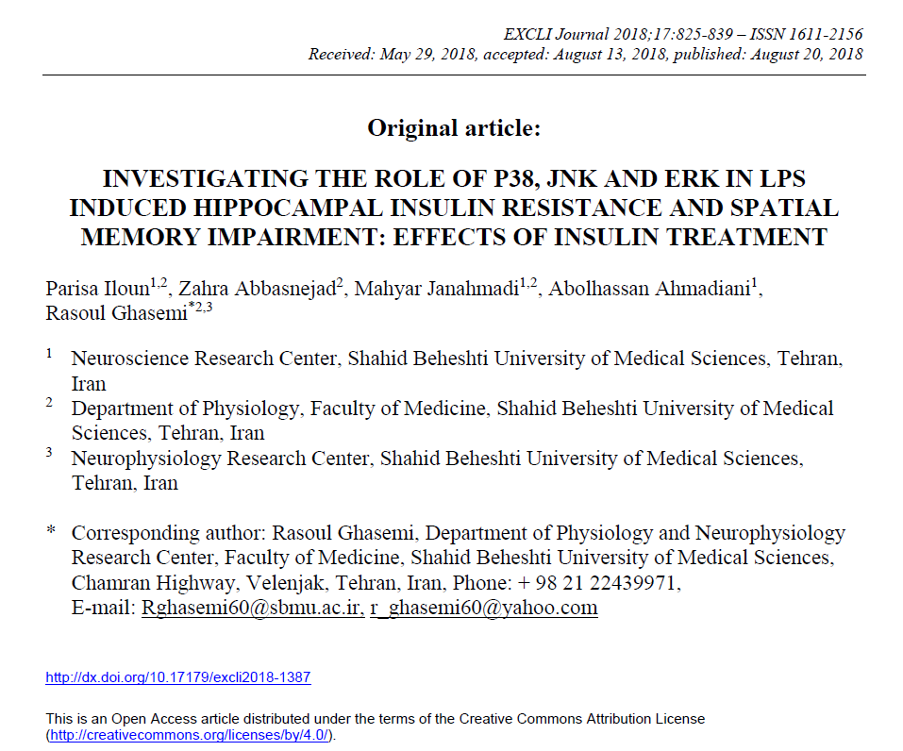

DAY1
MEAN ESCAPE LATENCY TO PLATFORM IN DAY1 (LPS+INSULIN GROUP GROUP)
NOTE: Each rat had 4 trial in each training day. we averaged 4 trails for statistical analysis.
NOTE: Raw data of different days are provided in different sheets in this file.

 | Independent Variable | Independent Variable | Independent Variable | Independent Variable | In zone
 | Independent Variable | Independent Variable | Independent Variable | Independent Variable | Arena / Center-point
 | Day | GROUP STUDY | NUMBER | Test Typye | Cumulative Duration
 |  |  |  |  | s |  |  | L+IN 1 | L+IN 2 | L+IN 3 | L+IN 4 | L+IN 5 | L+IN 6 | L+IN 7 | L+IN 8 | L+IN 9 | L+IN 10 | L+IN 11
Trial 1 | 1 | LPS+INSULIN | 1 | Hidden platform |  | 20.3866 | trial 1 | 20.3866 | 28.1943 | 31.998 | 54.6869 | 23.2895 | 28.5947 | 88.0862 | 70.836 | 21.0539 | 57.4563 | 90.0548
Trial 2 | 1 | LPS+INSULIN | 1 | Hidden platform |  | 53.5858 | trial 2 | 53.5858 | 88.9871 | 9.17565 | 25.9587 | 3.63689 | 21.3876 | 81.1461 | 39.4052 | 15.0814 | 33.366 | 3.93719
Trial 3 | 1 | LPS+INSULIN | 1 | Hidden platform |  | 10.6771 | trial 3 | 10.6771 | 50.4828 | 23.0893 | 55.2541 | 17.05 | 7.90774 | 8.20804 | 42.8086 | 7.04023 | 25.0245 | 15.6153
Trial 4 | 1 | LPS+INSULIN | 1 | Hidden platform |  | 3.16977 | trial 4 | 3.16977 | 78.7438 | 42.8419 | 42.3748 | 11.9117 | 10.5437 | 53.2855 | 30.5299 | 30.1962 | 57.4563 | 90.0548
Trial 5 | 1 | LPS+INSULIN | 2 | Hidden platform |  | 28.1943
Trial 6 | 1 | LPS+INSULIN | 2 | Hidden platform |  | 88.9871 | average | 21.9548175 | 61.602 | 26.7762125 | 44.568625 | 13.9720225 | 17.108435 | 57.68146 | 45.894925 | 18.3429325 | 43.325775 | 49.9155225
Trial 7 | 1 | LPS+INSULIN | 2 | Hidden platform |  | 50.4828
Trial 8 | 1 | LPS+INSULIN | 2 | Hidden platform |  | 78.7438
Trial 9 | 1 | LPS+INSULIN | 3 | Hidden platform |  | 31.998
Trial 10 | 1 | LPS+INSULIN | 3 | Hidden platform |  | 9.17565
Trial 11 | 1 | LPS+INSULIN | 3 | Hidden platform |  | 23.0893 |  |  | DAY1
Trial 12 | 1 | LPS+INSULIN | 3 | Hidden platform |  | 42.8419 |  | L+IN 1 | 21.9548175
Trial 13 | 1 | LPS+INSULIN | 4 | Hidden platform |  | 54.6869 |  | L+IN 2 | 61.602
Trial 14 | 1 | LPS+INSULIN | 4 | Hidden platform |  | 25.9587 |  | L+IN 3 | 26.7762125
Trial 15 | 1 | LPS+INSULIN | 4 | Hidden platform |  | 55.2541 |  | L+IN 4 | 44.568625
Trial 16 | 1 | LPS+INSULIN | 4 | Hidden platform |  | 42.3748 |  | L+IN 5 | 13.9720225
Trial 17 | 1 | LPS+INSULIN | 5 | Hidden platform |  | 23.2895 |  | L+IN 6 | 17.108435
Trial 18 | 1 | LPS+INSULIN | 5 | Hidden platform |  | 3.63689 |  | L+IN 7 | 57.68146
Trial 19 | 1 | LPS+INSULIN | 5 | Hidden platform |  | 17.05 |  | L+IN 8 | 45.894925
Trial 20 | 1 | LPS+INSULIN | 5 | Hidden platform |  | 11.9117 |  | L+IN 9 | 18.3429325
Trial 21 | 1 | LPS+INSULIN | 6 | Hidden platform |  | 28.5947 |  | L+IN 10 | 43.325775
Trial 22 | 1 | LPS+INSULIN | 6 | Hidden platform |  | 21.3876 |  | L+IN 11 | 49.9155225
Trial 23 | 1 | LPS+INSULIN | 6 | Hidden platform |  | 7.90774
Trial 24 | 1 | LPS+INSULIN | 6 | Hidden platform |  | 10.5437
Trial 25 | 1 | LPS+INSULIN | 7 | Hidden platform |  | 88.0862
Trial 26 | 1 | LPS+INSULIN | 7 | Hidden platform |  | 81.1461
Trial 27 | 1 | LPS+INSULIN | 7 | Hidden platform |  | 8.20804
Trial 28 | 1 | LPS+INSULIN | 7 | Hidden platform |  | 53.2855
Trial 29 | 1 | LPS+INSULIN | 8 | Hidden platform |  | 70.836
Trial 30 | 1 | LPS+INSULIN | 8 | Hidden platform |  | 39.4052
Trial 31 | 1 | LPS+INSULIN | 8 | Hidden platform |  | 42.8086
Trial 32 | 1 | LPS+INSULIN | 8 | Hidden platform |  | 30.5299
Trial 33 | 1 | LPS+INSULIN | 9 | Hidden platform |  | 21.0539
Trial 34 | 1 | LPS+INSULIN | 9 | Hidden platform |  | 15.0814
Trial 35 | 1 | LPS+INSULIN | 9 | Hidden platform |  | 7.04023
Trial 36 | 1 | LPS+INSULIN | 9 | Hidden platform |  | 30.1962
Trial 37 | 1 | LPS+INSULIN | 10 | Hidden platform |  | 57.4563
Trial 38 | 1 | LPS+INSULIN | 10 | Hidden platform |  | 33.366
Trial 39 | 1 | LPS+INSULIN | 10 | Hidden platform |  | 25.0245
Trial 40 | 1 | LPS+INSULIN | 10 | Hidden platform |  | 57.4563
Trial 41 | 1 | LPS+INSULIN | 11 | Hidden platform |  | 90.0548
Trial 42 | 1 | LPS+INSULIN | 11 | Hidden platform |  | 3.93719
Trial 43 | 1 | LPS+INSULIN | 11 | Hidden platform |  | 15.6153
Trial 44 | 1 | LPS+INSULIN | 11 | Hidden platform |  | 90.0548

DAY2
MEAN ESCAPE LATENCY TO PLATFORM IN DAY2 (LPS+INSULIN GROUP GROUP)
NOTE: Each rat had 4 trial in each training day. we averaged 4 trails for statistical analysis

 | Independent Variable | Independent Variable | Independent Variable | Independent Variable | In zone
 | Independent Variable | Independent Variable | Independent Variable | Independent Variable | Arena / Center-point
 | Day | GROUP STUDY | NUMBER | Test Typye | Cumulative Duration |  | L+IN 1 | L+IN 2 | L+IN 3 | L+IN 4 | L+IN 5 | L+IN 6 | L+IN 7 | L+IN 8 | L+IN 9 | L+IN 10 | L+IN 11
 |  |  |  |  | s | trial 1 | 32.4003 | 16.4828 | 32.365 | 3.26987 | 9.74287 | 4.93817 | 86.3846 | 90.0548 | 8.4416 | 45.3778 | 34
Trial 1 | 2 | LPS+INSULIN | 1 | Hidden platform | 32.4003 | trial 2 | 26.1872 | 10.9774 | 5.93915 | 6.43964 | 22.789 | 3.60353 | 20.0196 | 4.57114 | 15.9489 | 12.9126 | 28.7281
Trial 2 | 2 | LPS+INSULIN | 1 | Hidden platform | 26.1872 | trial 3 | 30.4157 | 13.4131 | 8.60843 | 2.93621 | 3.90382 | 15.8488 | 58.4572 | 13.0461 | 5.60549 | 6.97349 | 15.0481
Trial 3 | 2 | LPS+INSULIN | 1 | Hidden platform | 30.4157 | trial 4 | 7.40221 | 13.0127 | 11.7448 | 25.0245 | 5.40529 | 6.94013 | 87.6525 | 7.24042 | 4.17075 | 12.9126 | 34
Trial 4 | 2 | LPS+INSULIN | 1 | Hidden platform | 7.40221
Trial 5 | 2 | LPS+INSULIN | 2 | Hidden platform | 16.4828 | average | 24.1013525 | 13.4715 | 14.664345 | 9.417555 | 10.460245 | 7.8326575 | 63.128475 | 28.728115 | 8.541685 | 19.5441225 | 27.94405
Trial 6 | 2 | LPS+INSULIN | 2 | Hidden platform | 10.9774
Trial 7 | 2 | LPS+INSULIN | 2 | Hidden platform | 13.4131
Trial 8 | 2 | LPS+INSULIN | 2 | Hidden platform | 13.0127
Trial 9 | 2 | LPS+INSULIN | 3 | Hidden platform | 32.365
Trial 10 | 2 | LPS+INSULIN | 3 | Hidden platform | 5.93915
Trial 11 | 2 | LPS+INSULIN | 3 | Hidden platform | 8.60843 |  | DAY2
Trial 12 | 2 | LPS+INSULIN | 3 | Hidden platform | 11.7448 | L+IN 1 | 24.1013525
Trial 13 | 2 | LPS+INSULIN | 4 | Hidden platform | 3.26987 | L+IN 2 | 13.4715
Trial 14 | 2 | LPS+INSULIN | 4 | Hidden platform | 6.43964 | L+IN 3 | 14.664345
Trial 15 | 2 | LPS+INSULIN | 4 | Hidden platform | 2.93621 | L+IN 4 | 9.417555
Trial 16 | 2 | LPS+INSULIN | 4 | Hidden platform | 25.0245 | L+IN 5 | 10.460245
Trial 17 | 2 | LPS+INSULIN | 5 | Hidden platform | 9.74287 | L+IN 6 | 7.8326575
Trial 18 | 2 | LPS+INSULIN | 5 | Hidden platform | 22.789 | L+IN 7 | 63.128475
Trial 19 | 2 | LPS+INSULIN | 5 | Hidden platform | 3.90382 | L+IN 8 | 28.728115
Trial 20 | 2 | LPS+INSULIN | 5 | Hidden platform | 5.40529 | L+IN 9 | 8.541685
Trial 21 | 2 | LPS+INSULIN | 6 | Hidden platform | 4.93817 | L+IN 10 | 19.5441225
Trial 22 | 2 | LPS+INSULIN | 6 | Hidden platform | 3.60353 | L+IN 11 | 27.94405
Trial 23 | 2 | LPS+INSULIN | 6 | Hidden platform | 15.8488
Trial 24 | 2 | LPS+INSULIN | 6 | Hidden platform | 6.94013
Trial 25 | 2 | LPS+INSULIN | 7 | Hidden platform | 86.3846
Trial 26 | 2 | LPS+INSULIN | 7 | Hidden platform | 20.0196
Trial 27 | 2 | LPS+INSULIN | 7 | Hidden platform | 58.4572
Trial 28 | 2 | LPS+INSULIN | 7 | Hidden platform | 87.6525
Trial 29 | 2 | LPS+INSULIN | 8 | Hidden platform | 90.0548
Trial 30 | 2 | LPS+INSULIN | 8 | Hidden platform | 4.57114
Trial 31 | 2 | LPS+INSULIN | 8 | Hidden platform | 13.0461
Trial 32 | 2 | LPS+INSULIN | 8 | Hidden platform | 7.24042
Trial 33 | 2 | LPS+INSULIN | 9 | Hidden platform | 8.4416
Trial 34 | 2 | LPS+INSULIN | 9 | Hidden platform | 15.9489
Trial 35 | 2 | LPS+INSULIN | 9 | Hidden platform | 5.60549
Trial 36 | 2 | LPS+INSULIN | 9 | Hidden platform | 4.17075
Trial 37 | 2 | LPS+INSULIN | 10 | Hidden platform | 45.3778
Trial 38 | 2 | LPS+INSULIN | 10 | Hidden platform | 12.9126
Trial 39 | 2 | LPS+INSULIN | 10 | Hidden platform | 6.97349
Trial 40 | 2 | LPS+INSULIN | 10 | Hidden platform | 12.9126
Trial 41 | 2 | LPS+INSULIN | 11 | Hidden platform | 34
Trial 42 | 2 | LPS+INSULIN | 11 | Hidden platform | 28.7281
Trial 43 | 2 | LPS+INSULIN | 11 | Hidden platform | 15.0481
Trial 44 | 2 | LPS+INSULIN | 11 | Hidden platform | 34

DAY3
MEAN ESCAPE LATENCY TO PLATFORM IN DAY3 (LPS+INSULIN GROUP)
NOTE: Each rat had 4 trial in each training day. we averaged 4 trails for statistical analysis
NOTE: Raw data of different days are provided in different sheets in this file.

 | Independent Variable | Independent Variable | Independent Variable | Independent Variable | In zone
 | Independent Variable | Independent Variable | Independent Variable | Independent Variable | Arena / Center-point
 | Day | GROUP STUDY | NUMBER | Test Typye | Cumulative Duration |  |  | L+IN 1 | L+IN 2 | L+IN 3 | L+IN 4 | L+IN 5 | L+IN 6 | L+IN 7 | L+IN 8 | L+IN 9 | L+IN 10 | L+IN 11
 |  |  |  |  | s |  | trial 1 | 6.50637 | 14.1806 | 32.6987 | 8.84199 | 5.43866 | 14.4475 | 22.7556 | 5.60549 | 6.73993 | 36.102 | 10.3768
Trial 1 | 3 | LPS+INSULIN | 1 | Hidden platform |  | 6.50637 | trial 2 | 8.20804 | 6.6732 | 3.60353 | 3.93719 | 7.57408 | 9.9097 | 36.5691 | 6.20608 | 27.6604 | 3.47006 | 4.40431
Trial 2 | 3 | LPS+INSULIN | 1 | Hidden platform |  | 8.20804 | trial 3 | 12.8125 | 58.8576 | 12.0785 | 3.3366 | 6.23944 | 3.80372 | 4.73797 | 25.3582 | 4.13738 | 4.83807 | 3.57016
Trial 3 | 3 | LPS+INSULIN | 1 | Hidden platform |  | 12.8125 | trial 4 | 4.8047 | 15.8822 | 13.3464 | 13.3464 | 19.1854 | 5.83905 | 6.73993 | 3.20314 | 3.63689 | 11.1109 | 5.93915
Trial 4 | 3 | LPS+INSULIN | 1 | Hidden platform |  | 4.8047
Trial 5 | 3 | LPS+INSULIN | 2 | Hidden platform |  | 14.1806 | average | 8.0829025 | 23.8984 | 15.4317825 | 7.365545 | 9.609395 | 8.4999925 | 17.70065 | 10.0932275 | 10.54365 | 13.8802575 | 6.072605
Trial 6 | 3 | LPS+INSULIN | 2 | Hidden platform |  | 6.6732
Trial 7 | 3 | LPS+INSULIN | 2 | Hidden platform |  | 58.8576
Trial 8 | 3 | LPS+INSULIN | 2 | Hidden platform |  | 15.8822
Trial 9 | 3 | LPS+INSULIN | 3 | Hidden platform |  | 32.6987
Trial 10 | 3 | LPS+INSULIN | 3 | Hidden platform |  | 3.60353
Trial 11 | 3 | LPS+INSULIN | 3 | Hidden platform |  | 12.0785 |  |  | DAY3
Trial 12 | 3 | LPS+INSULIN | 3 | Hidden platform |  | 13.3464 |  | L+IN 1 | 8.0829025
Trial 13 | 3 | LPS+INSULIN | 4 | Hidden platform |  | 8.84199 |  | L+IN 2 | 23.8984
Trial 14 | 3 | LPS+INSULIN | 4 | Hidden platform |  | 3.93719 |  | L+IN 3 | 15.4317825
Trial 15 | 3 | LPS+INSULIN | 4 | Hidden platform |  | 3.3366 |  | L+IN 4 | 7.365545
Trial 16 | 3 | LPS+INSULIN | 4 | Hidden platform |  | 13.3464 |  | L+IN 5 | 9.609395
Trial 17 | 3 | LPS+INSULIN | 5 | Hidden platform |  | 5.43866 |  | L+IN 6 | 8.4999925
Trial 18 | 3 | LPS+INSULIN | 5 | Hidden platform |  | 7.57408 |  | L+IN 7 | 17.70065
Trial 19 | 3 | LPS+INSULIN | 5 | Hidden platform |  | 6.23944 |  | L+IN 8 | 10.0932275
Trial 20 | 3 | LPS+INSULIN | 5 | Hidden platform |  | 19.1854 |  | L+IN 9 | 10.54365
Trial 21 | 3 | LPS+INSULIN | 6 | Hidden platform |  | 14.4475 |  | L+IN 10 | 13.8802575
Trial 22 | 3 | LPS+INSULIN | 6 | Hidden platform |  | 9.9097 |  | L+IN 11 | 6.072605
Trial 23 | 3 | LPS+INSULIN | 6 | Hidden platform |  | 3.80372
Trial 24 | 3 | LPS+INSULIN | 6 | Hidden platform |  | 5.83905
Trial 25 | 3 | LPS+INSULIN | 7 | Hidden platform |  | 22.7556
Trial 26 | 3 | LPS+INSULIN | 7 | Hidden platform |  | 36.5691
Trial 27 | 3 | LPS+INSULIN | 7 | Hidden platform |  | 4.73797
Trial 28 | 3 | LPS+INSULIN | 7 | Hidden platform |  | 6.73993
Trial 29 | 3 | LPS+INSULIN | 8 | Hidden platform |  | 5.60549
Trial 30 | 3 | LPS+INSULIN | 8 | Hidden platform |  | 6.20608
Trial 31 | 3 | LPS+INSULIN | 8 | Hidden platform |  | 25.3582
Trial 32 | 3 | LPS+INSULIN | 8 | Hidden platform |  | 3.20314
Trial 33 | 3 | LPS+INSULIN | 9 | Hidden platform |  | 6.73993
Trial 34 | 3 | LPS+INSULIN | 9 | Hidden platform |  | 27.6604
Trial 35 | 3 | LPS+INSULIN | 9 | Hidden platform |  | 4.13738
Trial 36 | 3 | LPS+INSULIN | 9 | Hidden platform |  | 3.63689
Trial 37 | 3 | LPS+INSULIN | 10 | Hidden platform |  | 36.102
Trial 38 | 3 | LPS+INSULIN | 10 | Hidden platform |  | 3.47006
Trial 39 | 3 | LPS+INSULIN | 10 | Hidden platform |  | 4.83807
Trial 40 | 3 | LPS+INSULIN | 10 | Hidden platform |  | 11.1109
Trial 41 | 3 | LPS+INSULIN | 11 | Hidden platform |  | 10.3768
Trial 42 | 3 | LPS+INSULIN | 11 | Hidden platform |  | 4.40431
Trial 43 | 3 | LPS+INSULIN | 11 | Hidden platform |  | 3.57016
Trial 44 | 3 | LPS+INSULIN | 11 | Hidden platform |  | 5.93915

