Title page


AKT
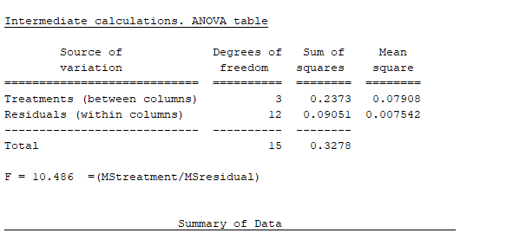
Raw and normalized data of western blot experiment is given in different sheets of this excel file, each sheet representing an individual antibody.
For each individual blot raw data were normalized to its own control,then ratio of normalized data were calculated.

 | phospho | phospho | phospho | TOTAL | TOTAL | TOTAL | P.AKT | TOTAL
 |  |  |  |  |  |  |  |  | phospho/total ratio

 | raw data |  | Normalized to control | raw data |  | Normalized to control |  |  | RATIO
CONT 1 | 66405.664 |  | 1 | 60758.421 |  | 1 | 1 | 1 | 1 | 1 | 1 | 1 | 1
LPS1 | 40700.158 |  | 0.61290190548 | 57890.986 |  | 0.95280596578 | 0.61290190548 | 0.95280596578 | 0.64325993695 | 0.64326 | 0.728354 | 0.69603 | 0.749567
LPS+INS 1 | 61976.421 |  | 0.9333002227 | 50292.3 |  | 0.82774205077 | 0.9333002227 | 0.82774205077 | 1.1275254433 | 1.127525 | 0.961475 | 0.805623 | 0.899174
INS 1 | 62738.108 |  | 0.94477043404 | 52421.158 |  | 0.86278012393 | 0.94477043404 | 0.86278012393 | 1.095030365 | 1.09503 | 1.054534 | 0.875646 | 0.959911

CONT 2 | 66387.037 |  | 1 | 59652.401 |  | 1 | 1 | 1 | 1
LPS2 | 41926.693 |  | 0.6315493942 | 51724.108 |  | 0.86709180407 | 0.6315493942 | 0.86709180407 | 0.72835355061
LPS+INS 2 | 66201.551 |  | 0.99720599068 | 61869.258 |  | 1.0371629132 | 0.99720599068 | 1.0371629132 | 0.96147478665
INS 2 | 50645.522 |  | 0.76288269952 | 43154.401 |  | 0.72343108201 | 0.76288269952 | 0.72343108201 | 1.0545340372

 |  |  |  |  |  |  |  |  | RATIO
CONT 3 | 57991.886 |  | 1 | 68969.371 |  | 1 | 1 | 1 | 1
LPS3 | 38725.158 |  | 0.66776855645 | 66168.966 |  | 0.95939639641 | 0.66776855645 | 0.95939639641 | 0.69602987769
LPS+INS 3 | 44331.229 |  | 0.76443847679 | 65443.572 |  | 0.94887877113 | 0.76443847679 | 0.94887877113 | 0.80562290995
INS 3 | 51987.35 |  | 0.89645903222 | 70608.693 |  | 1.0237688408 | 0.89645903222 | 1.0237688408 | 0.87564594319

CONT 4 |  | 47515.551 | 1 | 56673.673 |  | 1 | 1 | 1 | 1
LPS4 |  | 35738.329 | 0.75213963109 | 56868.187 |  | 1.0034321756 | 0.75213963109 | 1.0034321756 | 0.74956698554
LPS+INS 4 |  | 59651.614 | 1.2554124438 | 79126.907 |  | 1.3961845565 | 1.2554124438 | 1.3961845565 | 0.89917370738
INS 4 |  | 39832.966 | 0.83831430262 | 49494.53 |  | 0.87332490343 | 0.83831430262 | 0.87332490343 | 0.95991113882

**

 |  |  | SEM
CONTROL | 1 |  | 0
LPS | 0.70430275 |  | 0.02313
LPS + INSULIN | 0.94844925 |  | 0.06774
INSULIN | 0.99628025 |  | 0.04918

ERK
 | phospho | phospho | TOTAL | TOTAL | B2_P.EERK | TOTAL

 | raw data | Normalized to control | raw data | Normalized to control |  |  | RATIO
CONT 1 | 27883.664 | 1 | 45532.451 | 1 | 1 | 1 | 1 | 1 | 1 | 1 | 1
LPS1 | 22257.154768 | 0.79821485326 | 35122.81551 | 0.77137985632 | 0.79821485326 | 0.77137985632 | 1.034788304 | 1.0347883 | 0.9819268 | 0.995751 | 0.7922744
LPS+INS 1 | 25807.271521 | 0.92553372904 | 37226.911528 | 0.8175907668 | 0.92553372904 | 0.8175907668 | 1.132025662 | 1.1320257 | 0.9629093 | 1.0555557 | 0.7953181
INS 1 | 35841.3586 | 1.2853891296 | 47362.304528 | 1.0401878987 | 1.2853891296 | 1.0401878987 | 1.235727825 | 1.2357278 | 0.995864 | 1.1286749 | 0.8117474

CONT 2 | 34995.794 | 1 | 27129.652 | 1 | 1 | 1 | 1
LPS2 | 42102.54564 | 1.2030744506 | 33239.739095 | 1.2252180417 | 1.2030744506 | 1.2252180417 | 0.981926816
LPS+INS 2 | 38821.607779 | 1.1093221025 | 31254.78391 | 1.1520525184 | 1.1093221025 | 1.1520525184 | 0.962909316
INS 2 | 36981.355556 | 1.0567371484 | 28787.977648 | 1.0611259462 | 1.0567371484 | 1.0611259462 | 0.995864018

CONT 3 | 49531.279 | 1 | 49008.158 | 1 | 1 | 1 | 1
LPS3 | 36977.628641 | 0.74655105598 | 36743.213478 | 0.74973667605 | 0.74655105598 | 0.74973667605 | 0.99575101476
LPS+INS 3 | 48464.971224 | 0.97847203226 | 45429.259136 | 0.92697340586 | 0.97847203226 | 0.92697340586 | 1.0555556676
INS 3 | 38589.035373 | 0.77908416968 | 33828.588905 | 0.69026444341 | 0.77908416968 | 0.69026444341 | 1.1286749261

CONT 4 | 47943.693 | 1 | 28689.602 | 1 | 1 | 1 | 1
LPS4 | 46023.440661 | 0.95994775915 | 34761.339551 | 1.2116354752 | 0.95994775915 | 1.2116354752 | 0.7922743918
LPS+INS 4 | 41735.26685 | 0.87050588386 | 31401.861126 | 1.0945380534 | 0.87050588386 | 1.0945380534 | 0.7953180624
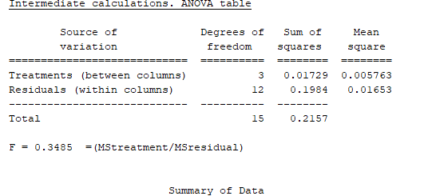
INS 4 | 34624.825638 | 0.72219771718 | 25524.646652 | 0.88968284232 | 0.72219771718 | 0.88968284232 | 0.81174738101

IRS307
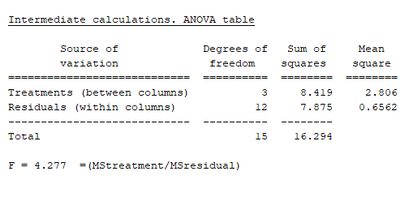
 | phospho | phospho | TOTAL |  | TOTAL | P.IRS | TOTAL

 | raw data | Normalized to control | raw data |  | Normalized to control |  |  | RATIO
CONT 1 | 9777.874 | 1 | 30754.924 |  | 1 | 1 | 1 | 1 | 1 | 1 | 1 | 1
LPS1 | 52989.614 | 5.4193390097 | 55764.898436 |  | 1.8132022838 | 5.419339 | 1.813202 | 2.9888220735 | 2.988822 | 2.052209 | 1.25903 | 4.638926
LPS+INS 1 | 27672.3 | 2.8300937402 | 56152.150487 |  | 1.8257938302 | 2.830094 | 1.825794 | 1.5500620571 | 1.550062 | 1.371634 | 0.562509 | 2.145887
INS 1 | 17269.765 | 1.7662085848 | 51053.143378 |  | 1.6599990095 | 1.766209 | 1.659999 | 1.06398171 | 1.063982 | 1.248625 | 0.564158 | 0.849973

CONT 2 | 15242.936 | 1 | 25839.38 |  | 1 | 1 | 1 | 1
LPS2 | 64196.561364 | 4.2115614317 | 53027.806 |  | 2.0522089152 | 4.211561432 | 2.052208915 | 2.0522089152
LPS+INS 2 | 28677.76343 | 1.8813805575 | 35442.179 |  | 1.3716342652 | 1.881380558 | 1.371634265 | 1.3716342652
INS 2 | 23764.714524 | 1.5590641149 | 32263.693 |  | 1.2486248896 | 1.559064115 | 1.24862489 | 1.2486248896

CONT 3 | 38677.057 | 1 | 38677.057 |  | 1 | 1 | 1 | 1
LPS3 | 58483.869136 | 1.5121075302 | 46451.513 |  | 1.2010095029 | 1.5121075302 | 1.2010095029 | 1.2590304461
LPS+INS 3 | 16198.524258 | 0.41881480945 | 28796.936 |  | 0.74454827315 | 0.41881480945 | 0.74454827315 | 0.56250860361
INS 3 | 14428.254746 | 0.37304427651 | 25574.836 |  | 0.66124048683 | 0.37304427651 | 0.66124048683 | 0.56415825095

CONT 4 | 9456.61 | 1 | 24161.451 |  | 1 | 1 | 1 | 1
LPS4 | 36483.744 | 3.8580150815 | 20094.14216 |  | 0.83166123424 | 3.858015082 | 0.831661234 | 4.638926191
LPS+INS 4 | 16781.371 | 1.7745651983 | 19980.57864 |  | 0.82696103971 | 1.774565198 | 0.82696104 | 2.1458873068
INS 4 | 9549.581 | 1.0098313243 | 28705.597337 |  | 1.1880742318 | 1.009831324 | 1.188074232 | 0.84997325694

*
 |  |  |  | MEAN | SEM
 |  |  | CONTROL | 1 | 0
 |  |  | LPS | 2.7347469065 | 0.7265
 |  |  | LPS + INSULIN | 1.4075230582 | 0.3267
 |  |  | INSULIN | 0.93168452688 | 0.1471

P38
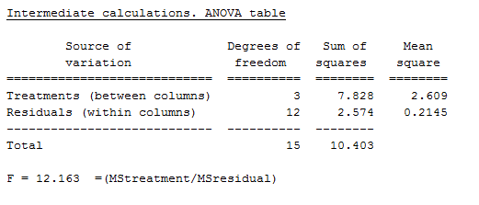
 | phospho | phospho | TOTAL | TOTAL | P.P38 | TOTAL

 | raw data | Normalized to control | raw data | Normalized to control |  |  | RATIO
CONT 1 | 33463.158 | 1 | 52614.815 | 1 | 1 | 1 | 1 | 1 | 1 | 1 | 1
LPS1 | 103969.4806 | 3.106983525 | 52528.622 | 0.99836181121 | 3.106983525 | 0.998361811 | 3.1120817023 | 3.1120817023 | 3.5225201217 | 2.0898053752 | 1.8382376888
LPS+INS 1 | 54999.079645 | 1.6435711072 | 50290.765 | 0.95582898087 | 1.643571107 | 0.955828981 | 1.7195242456 | 1.7195242456 | 1.3216519365 | 1.247654515 | 0.98909832095
INS 1 | 22242.735424 | 0.66469325531 | 39021.43 | 0.74164339455 | 0.664693255 | 0.741643395 | 0.8962437476 | 0.8962437476 | 0.59628517015 | 1.3622706435 | 0.68129089

CONT 2 | 34661.016 | 1 | 31882.137 | 1 | 1 | 1 | 1
LPS2 | 131680.4922 | 3.799094989 | 34385.401 | 1.0785161923 | 3.799094989 | 1.078516192 | 3.5225201217
LPS+INS 2 | 43725.628696 | 1.2615218404 | 30431.622 | 0.95450383392 | 1.26152184 | 0.954503834 | 1.3216519365
INS 2 | 25369.946966 | 0.73194470023 | 39135.572 | 1.2275078048 | 0.7319447 | 1.227507805 | 0.59628517015

CONT 3 | 26225.681 | 1 | 65688.936 | 1 | 1 | 1 | 1
LPS3 | 45621.621126 | 1.7395781305 | 54680.229 | 0.83241154949 | 1.739578131 | 0.832411549 | 2.0898053752
LPS+INS 3 | 29727.129415 | 1.1335122018 | 59679.35 | 0.90851448713 | 1.133512202 | 0.908514487 | 1.247654515
INS 3 | 34195.735044 | 1.3039026534 | 62874.421 | 0.95715389575 | 1.303902653 | 0.957153896 | 1.3622706435

CONT 4 | 38844.19 | 1 | 23849.187 | 1 | 1 | 1 | 1
LPS4 | 66829.422327 | 1.7204483432 | 22320.995 | 0.93592267946 | 1.720448343 | 0.935922679 | 1.8382376888
LPS+INS 4 | 40146.790645 | 1.0335339891 | 24920.622 | 1.0449254308 | 1.033533989 | 1.044925431 | 0.98909832095
INS 4 | 31418.960106 | 0.80884580438 | 28314.359 | 1.1872253339 | 0.808845804 | 1.187225334 | 0.68129089

 |  |  |  |  |  | MEAN | SEM
 |  |  |  |  | CONTROL | 1 | 0
 |  |  |  |  | LPS | 2.640661222 | 0.4028
 |  |  |  |  | LPS + INSULIN | 1.3194822545 | 0.1512
 |  |  |  |  | INSULIN | 0.8840226128 | 0.1714

**

JNK
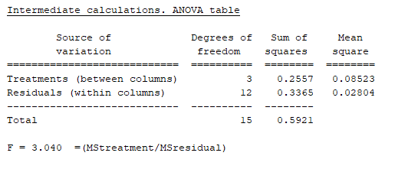
 | phospho | phospho | TOTAL | TOTAL | TOTTAL | P.JNK

 | raw data | Normalized to control | raw data | Normalized to control |  |  | RATIO
CONT 1 | 70782.208 | 1 | 71033.208 | 1 | 1 | 1 | 1 |  |  |  | 1 | 1 | 1 | 1
LPS1 | 47210.508451 | 0.6669827035 | 55329.773 | 0.77892825846 | 0.6669827035 | 0.77892825846 | 0.85628258605 |  |  |  | 0.85628258605 | 0.75904196034 | 1.0814588534 | 1.3806150477
LPS+INS 1 | 39463.752633 | 0.55753774498 | 58529.522 | 0.82397407703 | 0.55753774498 | 0.82397407703 | 0.67664476411 |  |  |  | 0.67664476411 | 0.69899947152 | 0.93751232075 | 0.81438876217
INS 1 | 42329.412777 | 0.59802334475 | 62897.501 | 0.88546614704 | 0.59802334475 | 0.88546614704 | 0.67537685855 |  |  |  | 0.67537685855 | 0.88576735136 | 0.82432803984 | 0.56103135925

CONT 2 | 58304.007 | 1 | 58316.3 | 1 | 1 | 1 | 1
LPS2 | 47317.927579 | 0.81157248042 | 62352.158 | 1.0692063454 | 0.81157248042 | 1.0692063454 | 0.75904196034
LPS+INS 2 | 42348.692243 | 0.72634274078 | 60597.501 | 1.0391177252 | 0.72634274078 | 1.0391177252 | 0.69899947152
INS 2 | 47761.356081 | 0.81917793542 | 53932.25 | 0.92482290543 | 0.81917793542 | 0.92482290543 | 0.88576735136

CONT 3 | 57224.744 | 1 | 39560.057 | 1 | 1 | 1 | 1
LPS3 | 75251.424991 | 1.3150154938 | 48103.622 | 1.2159644259 | 1.3150154938 | 1.2159644259 | 1.0814588534
LPS+INS 3 | 67727.904364 | 1.1835422866 | 49941.744 | 1.2624285147 | 1.1835422866 | 1.2624285147 | 0.93751232075
INS 3 | 72185.731399 | 1.261442627 | 60537.48 | 1.5302677648 | 1.261442627 | 1.5302677648 | 0.82432803984

CONT 4 | 35069.673 | 1 | 35026.258 | 1 | 1 | 1 | 1
LPS4 | 60316.881353 | 1.7199157047 | 43634.329 | 1.2457605092 | 1.7199157047 | 1.2457605092 | 1.3806150477
LPS+INS 4 | 44209.667902 | 1.2606238987 | 54218.501 | 1.5479387207 | 1.2606238987 | 1.5479387207 | 0.81438876217
INS 4 | 26859.274391 | 0.76588322883 | 47815.551 | 1.3651344371 | 0.76588322883 | 1.3651344371 | 0.56103135925

 |  |  |  |  |  |  |  |  | CONTROL | LPS | LPS + INSULIN | INSULIN
 |  |  |  |  |  |  |  |  | 1 | 0.85628258605 | 0.67664476411 | 0.67537685855
 |  |  |  |  |  |  |  |  | 1 | 0.75904196034 | 0.69899947152 | 0.88576735136
 |  |  |  |  |  |  |  |  | 1 | 1.0814588534 | 0.93751232075 | 0.82432803984
 |  |  |  |  |  |  |  |  | 1 | 1.3806150477 | 0.81438876217 | 0.56103135925

 |  |  |  |  |  |  |  | MEAN | 1 | 1.0193496119 | 0.78188632964 | 0.73662590225
 |  |  |  |  |  |  |  | SEM | 0.068 | 0.1381 | 0.06002 | 0.07333

