Title page
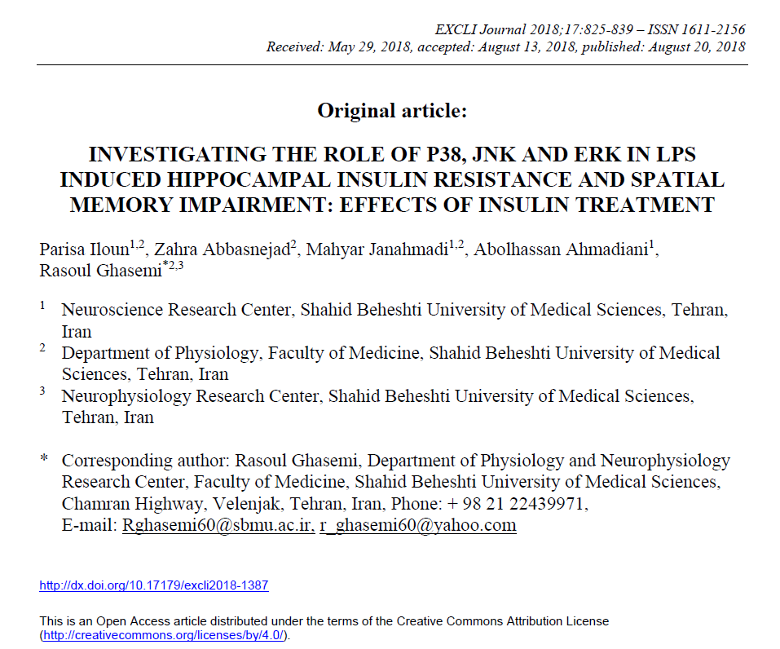

DAY1
MEAN ESCAPE LATENCY TO PLATFORM IN DAY1 (INSULIN GROUP)
NOTE: Each rat had 4 trial in each training day. we averaged 4 trails for statistical analysis
NOTE: Raw data of different days are provided in different sheets in this file.

 | Independent Variable | Independent Variable | Independent Variable | Independent Variable | In zone
 | Independent Variable | Independent Variable | Independent Variable | Independent Variable | Arena / Center-point
 | Day | GROUP STUDY | NUMBER | Test Typye | Cumulative Duration
 |  |  |  |  | s |  | Insulin 1 | Insulin 2 | Insulin 3 | Insulin 4 | Insulin 5 | Insulin 6 | Insulin 7 | Insulin 8
Trial 1 | 1 | INSULIN | 1 | Hidden platform | 7.10696 | trial 1 | 7.10696 | 48.7477 | 77.5092 | 53.9528 | 17.5839 | 85.784 | 49.2148 | 48.047
Trial 2 | 1 | INSULIN | 1 | Hidden platform | 50.4494 | trial 2 | 50.4494 | 9.44258 | 7.60745 | 16.1825 | 49.8488 | 31.2973 | 17.0167 | 17.5172
Trial 3 | 1 | INSULIN | 1 | Hidden platform | 14.7144 | trial 3 | 14.7144 | 4.20412 | 16.4828 | 7.60745 | 22.6889 | 13.8803 | 8.4416 | 5.90578
Trial 4 | 1 | INSULIN | 1 | Hidden platform | 11.945 | trial 4 | 11.945 | 7.10696 | 3.3366 | 43.3424 | 4.50441 | 6.50637 | 49.2148 | 5.90578
Trial 5 | 1 | INSULIN | 2 | Hidden platform | 48.7477
Trial 6 | 1 | INSULIN | 2 | Hidden platform | 9.44258 | average | 21.05394 | 17.37534 | 26.2340125 | 30.2712875 | 23.6565025 | 34.3669925 | 30.971975 | 19.34394
Trial 7 | 1 | INSULIN | 2 | Hidden platform | 4.20412
Trial 8 | 1 | INSULIN | 2 | Hidden platform | 7.10696
Trial 9 | 1 | INSULIN | 3 | Hidden platform | 77.5092
Trial 10 | 1 | INSULIN | 3 | Hidden platform | 7.60745 |  | DAY1
Trial 11 | 1 | INSULIN | 3 | Hidden platform | 16.4828 | Insulin 1 | 21.05394
Trial 12 | 1 | INSULIN | 3 | Hidden platform | 3.3366 | Insulin 2 | 17.37534
Trial 13 | 1 | INSULIN | 4 | Hidden platform | 53.9528 | Insulin 3 | 26.2340125
Trial 14 | 1 | INSULIN | 4 | Hidden platform | 16.1825 | Insulin 4 | 30.2712875
Trial 15 | 1 | INSULIN | 4 | Hidden platform | 7.60745 | Insulin 5 | 23.6565025
Trial 16 | 1 | INSULIN | 4 | Hidden platform | 43.3424 | Insulin 6 | 34.3669925
Trial 17 | 1 | INSULIN | 5 | Hidden platform | 17.5839 | Insulin 7 | 30.971975
Trial 18 | 1 | INSULIN | 5 | Hidden platform | 49.8488 | Insulin 8 | 19.34394
Trial 19 | 1 | INSULIN | 5 | Hidden platform | 22.6889
Trial 20 | 1 | INSULIN | 5 | Hidden platform | 4.50441
Trial 21 | 1 | INSULIN | 6 | Hidden platform | 85.784
Trial 22 | 1 | INSULIN | 6 | Hidden platform | 31.2973
Trial 23 | 1 | INSULIN | 6 | Hidden platform | 13.8803
Trial 24 | 1 | INSULIN | 6 | Hidden platform | 6.50637
Trial 25 | 1 | INSULIN | 7 | Hidden platform | 49.2148
Trial 26 | 1 | INSULIN | 7 | Hidden platform | 17.0167
Trial 27 | 1 | INSULIN | 7 | Hidden platform | 8.4416
Trial 28 | 1 | INSULIN | 7 | Hidden platform | 49.2148
Trial 29 | 1 | INSULIN | 8 | Hidden platform | 48.047
Trial 30 | 1 | INSULIN | 8 | Hidden platform | 17.5172
Trial 31 | 1 | INSULIN | 8 | Hidden platform | 5.90578
Trial 32 | 1 | INSULIN | 8 | Hidden platform | 5.90578

DAY2
MEAN ESCAPE LATENCY TO PLATFORM IN DAY2 (INSULIN GROUP)
NOTE: Each rat had 4 trial in each training day. we averaged 4 trails for statistical analysis

 | Independent Variable | Independent Variable | Independent Variable | Independent Variable | In zone
 | Independent Variable | Independent Variable | Independent Variable | Independent Variable | Arena / Center-point
 | Day | GROUP STUDY | NUMBER | Test Typye | Cumulative Duration |  | Insulin 1 | Insulin 2 | Insulin 3 | Insulin 4 | Insulin 5 | Insulin 6 | Insulin 7 | Insulin 8
 |  |  |  |  | s | trial 1 | 4.13738 | 3.90382 | 47.0461 | 5.30519 | 35.5014 | 37.6035 | 18.8852 | 25.6918
Trial 1 | 2 | INSULIN | 1 | Hidden platform | 4.13738 | trial 2 | 23.8901 | 6.10598 | 4.57114 | 19.8861 | 15.2816 | 6.20608 | 21.0539 | 25.6918
Trial 2 | 2 | INSULIN | 1 | Hidden platform | 23.8901 | trial 3 | 10.5103 | 6.800784 | 21.4543 | 1.93523 | 4.50441 | 2.73601 | 18.8852 | 18.8852
Trial 3 | 2 | INSULIN | 1 | Hidden platform | 10.5103 | trial 4 | 16.2492 | 7.67026 | 88.52 | 52.9518 | 14.0471 | 3.77036 | 21.0539 | 18.8852
Trial 4 | 2 | INSULIN | 1 | Hidden platform | 16.2492
Trial 5 | 2 | INSULIN | 2 | Hidden platform | 3.90382 | average | 13.696745 | 6.120211 | 40.397885 | 20.01958 | 17.3336275 | 12.5789875 | 19.96955 | 22.2885
Trial 6 | 2 | INSULIN | 2 | Hidden platform | 6.10598
Trial 7 | 2 | INSULIN | 2 | Hidden platform | 6.800784
Trial 8 | 2 | INSULIN | 2 | Hidden platform | 7.67026 |  | DAY2
Trial 9 | 2 | INSULIN | 3 | Hidden platform | 47.0461 | Insulin 1 | 13.696745
Trial 10 | 2 | INSULIN | 3 | Hidden platform | 4.57114 | Insulin 2 | 6.120211
Trial 11 | 2 | INSULIN | 3 | Hidden platform | 21.4543 | Insulin 3 | 40.397885
Trial 12 | 2 | INSULIN | 3 | Hidden platform | 88.52 | Insulin 4 | 20.01958
Trial 13 | 2 | INSULIN | 4 | Hidden platform | 5.30519 | Insulin 5 | 17.3336275
Trial 14 | 2 | INSULIN | 4 | Hidden platform | 19.8861 | Insulin 6 | 12.5789875
Trial 15 | 2 | INSULIN | 4 | Hidden platform | 1.93523 | Insulin 7 | 19.96955
Trial 16 | 2 | INSULIN | 4 | Hidden platform | 52.9518 | Insulin 8 | 22.2885
Trial 17 | 2 | INSULIN | 5 | Hidden platform | 35.5014
Trial 18 | 2 | INSULIN | 5 | Hidden platform | 15.2816
Trial 19 | 2 | INSULIN | 5 | Hidden platform | 4.50441
Trial 20 | 2 | INSULIN | 5 | Hidden platform | 14.0471
Trial 21 | 2 | INSULIN | 6 | Hidden platform | 37.6035
Trial 22 | 2 | INSULIN | 6 | Hidden platform | 6.20608
Trial 23 | 2 | INSULIN | 6 | Hidden platform | 2.73601
Trial 24 | 2 | INSULIN | 6 | Hidden platform | 3.77036
Trial 25 | 2 | INSULIN | 7 | Hidden platform | 18.8852
Trial 26 | 2 | INSULIN | 7 | Hidden platform | 21.0539
Trial 27 | 2 | INSULIN | 7 | Hidden platform | 18.8852
Trial 28 | 2 | INSULIN | 7 | Hidden platform | 21.0539
Trial 29 | 2 | INSULIN | 8 | Hidden platform | 25.6918
Trial 30 | 2 | INSULIN | 8 | Hidden platform | 25.6918
Trial 31 | 2 | INSULIN | 8 | Hidden platform | 18.8852
Trial 32 | 2 | INSULIN | 8 | Hidden platform | 18.8852

DAY3
MEAN ESCAPE LATENCY TO PLATFORM IN DAY3 (INSULIN GROUP)
NOTE: Each rat had 4 trial in each training day. we averaged 4 trails for statistical analysis
 | Independent Variable | Independent Variable | Independent Variable | Independent Variable | In zone
 | Independent Variable | Independent Variable | Independent Variable | Independent Variable | Arena / Center-point
 | Day | GROUP STUDY | NUMBER | Test Typye | Cumulative Duration
 |  |  |  |  | s |  | Insulin 1 | Insulin 2 | Insulin 3 | Insulin 4 | Insulin 5 | Insulin 6 | Insulin 7 | Insulin 8
Trial 1 | 3 | INSULIN | 1 | Hidden platform | 19.3523 | trial 1 | 19.3523 | 52.6849 | 2.70265 | 26.259 | 9.64277 | 27.9607 | 33.9332 | 23.9568
Trial 2 | 3 | INSULIN | 1 | Hidden platform | 5.33856 | trial 2 | 5.33856 | 4.50441 | 9.04219 | 2.50245 | 6.53974 | 11.7115 | 8.10794 | 5.0049
Trial 3 | 3 | INSULIN | 1 | Hidden platform | 15.30519 | trial 3 | 15.30519 | 11.1109 | 5.33856 | 10.7439 | 23.36997 | 17.2836 | 7.30715 | 4.40431
Trial 4 | 3 | INSULIN | 1 | Hidden platform | 5.87242 | trial 4 | 5.87242 | 4.03729 | 3.36997 | 4.67124 | 2.50245 | 3.77036 | 6.00588 | 5.07163
Trial 5 | 3 | INSULIN | 2 | Hidden platform | 52.6849
Trial 6 | 3 | INSULIN | 2 | Hidden platform | 4.50441 | average | 11.4671175 | 18.084375 | 5.1133425 | 11.0441475 | 10.5137325 | 15.18154 | 13.8385425 | 9.60941
Trial 7 | 3 | INSULIN | 2 | Hidden platform | 11.1109
Trial 8 | 3 | INSULIN | 2 | Hidden platform | 4.03729
Trial 9 | 3 | INSULIN | 3 | Hidden platform | 2.70265 |  | DAY3
Trial 10 | 3 | INSULIN | 3 | Hidden platform | 9.04219 | Insulin 1 | 11.4671175
Trial 11 | 3 | INSULIN | 3 | Hidden platform | 5.33856 | Insulin 2 | 18.084375
Trial 12 | 3 | INSULIN | 3 | Hidden platform | 3.36997 | Insulin 3 | 5.1133425
Trial 13 | 3 | INSULIN | 4 | Hidden platform | 26.259 | Insulin 4 | 11.0441475
Trial 14 | 3 | INSULIN | 4 | Hidden platform | 2.50245 | Insulin 5 | 10.5137325
Trial 15 | 3 | INSULIN | 4 | Hidden platform | 10.7439 | Insulin 6 | 15.18154
Trial 16 | 3 | INSULIN | 4 | Hidden platform | 4.67124 | Insulin 7 | 13.8385425
Trial 17 | 3 | INSULIN | 5 | Hidden platform | 9.64277 | Insulin 8 | 9.60941
Trial 18 | 3 | INSULIN | 5 | Hidden platform | 6.53974
Trial 19 | 3 | INSULIN | 5 | Hidden platform | 23.36997
Trial 20 | 3 | INSULIN | 5 | Hidden platform | 2.50245
Trial 21 | 3 | INSULIN | 6 | Hidden platform | 27.9607
Trial 22 | 3 | INSULIN | 6 | Hidden platform | 11.7115
Trial 23 | 3 | INSULIN | 6 | Hidden platform | 17.2836
Trial 24 | 3 | INSULIN | 6 | Hidden platform | 3.77036
Trial 25 | 3 | INSULIN | 7 | Hidden platform | 33.9332
Trial 26 | 3 | INSULIN | 7 | Hidden platform | 8.10794
Trial 27 | 3 | INSULIN | 7 | Hidden platform | 7.30715
Trial 28 | 3 | INSULIN | 7 | Hidden platform | 6.00588
Trial 29 | 3 | INSULIN | 8 | Hidden platform | 23.9568
Trial 30 | 3 | INSULIN | 8 | Hidden platform | 5.0049
Trial 31 | 3 | INSULIN | 8 | Hidden platform | 4.40431
Trial 32 | 3 | INSULIN | 8 | Hidden platform | 5.07163

