Title page
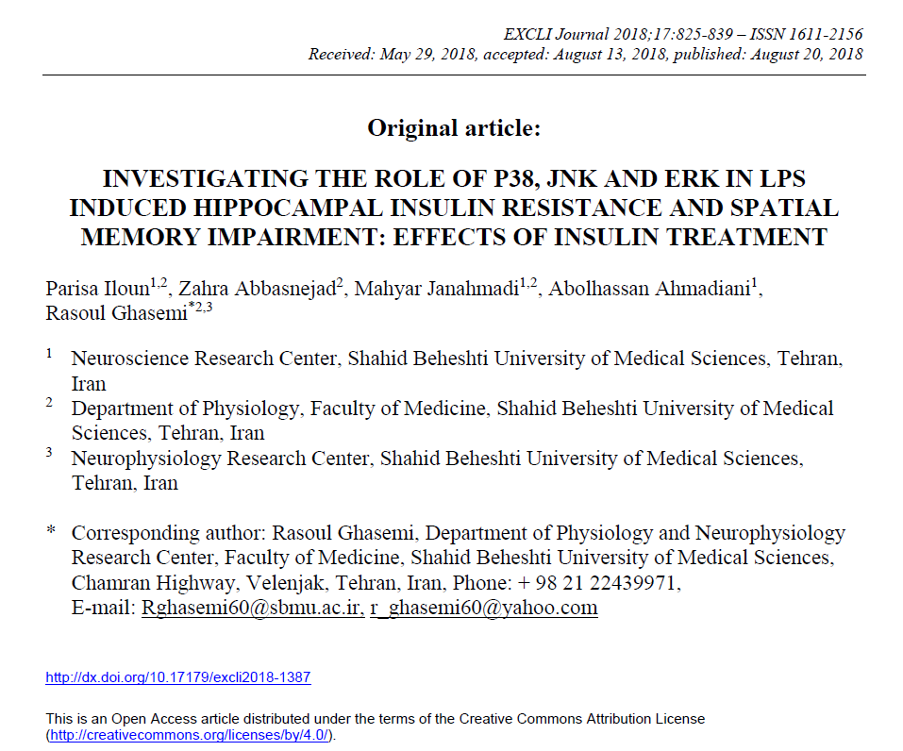

training
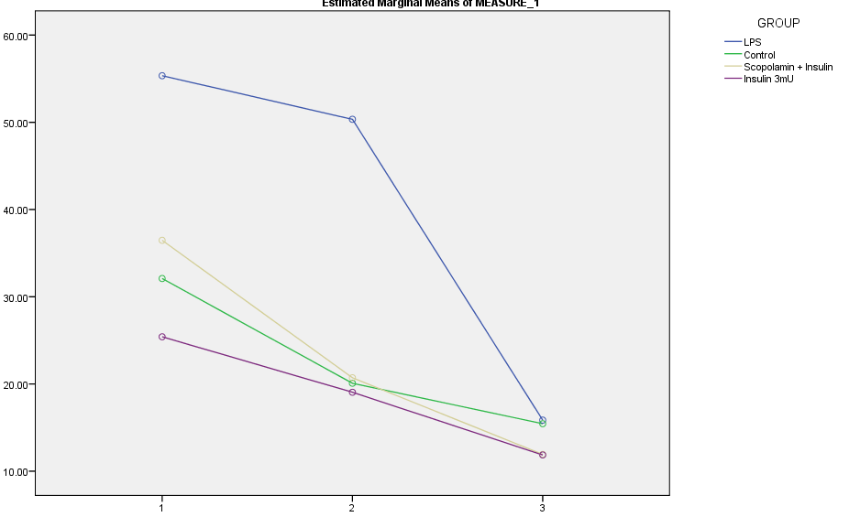
MEAN
 |  | DAY1 | DAY2 | DAY3

 | Control | 32.1 | 20.1 | 15.4
 | LPS | 55.3 | 50.3 | 15.9
 | LPS + Insulin | 36.5 | 20.7 | 11.9
 | Insulin 3mU | 25.4 | 19.1 | 11.9

SEM
 |  | DAY1 | DAY2 | DAY3
 | Control | 3.92 | 2.37 | 3.51
 | LPS | 9.06 | 8.58 | 3.64
 | LPS + Insulin | 5.20 | 4.83 | 1.61
 | Insulin 3mU | 2.15 | 3.56 | 1.38

speed
Control | 28.658675 | 1.205
LPS | 27.33462 | 0.7608
LPS + Insulin | 28.187572727 | 0.8123
Insulin (3mU) | 26.468775 | 0.9124

visible
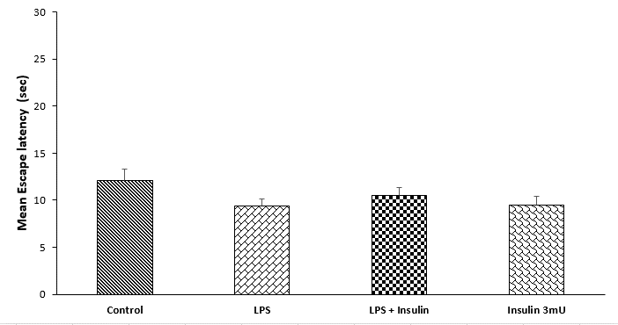
Control | 12.1383 | 2.155
LPS | 9.359 | 1.693
LPS + Insulin | 10.56 | 2.175
Insulin (3mU) | 9.4926 | 1.395

